feeder class seach
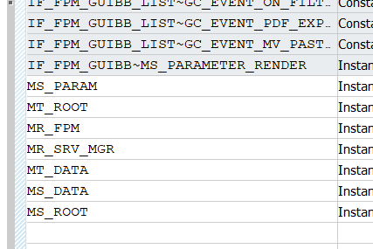
检索页面
土地管理 | 查询配置ID
 | component id
 | 查询 Uibb search
 | 查询 UIBB list
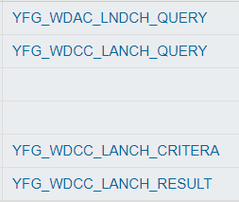
地籍管理 | 查询配置ID | segmentation
 | component id | merger
 | 查询 Uibb search | switching
 | 查询 UIBB list | Retest

 |  | Redraw

 |  | Volume transfer

Sheet5
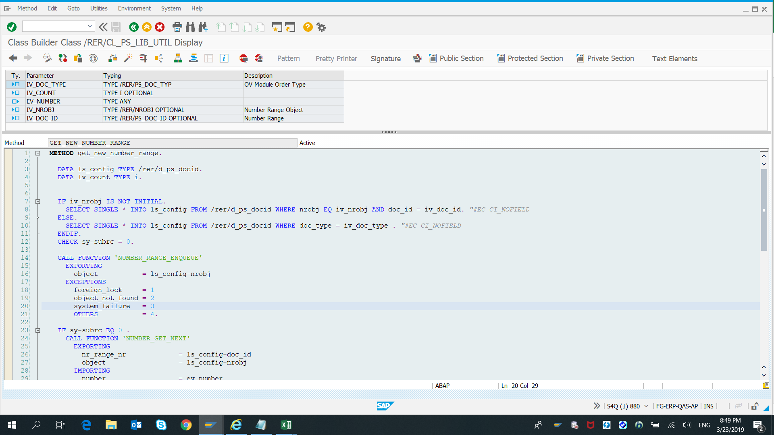

Sheet6
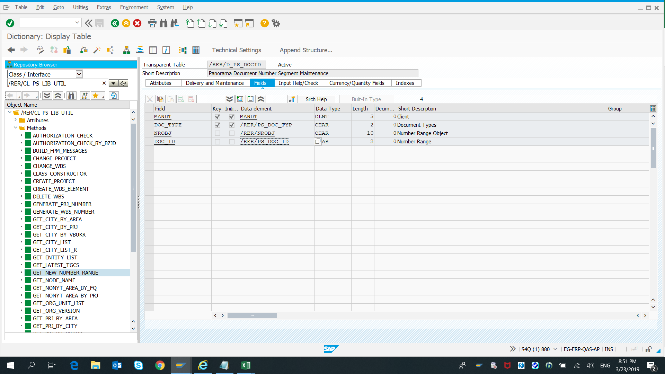

Sheet7
